Sheet1
 | Scenario groups formed based in SSTSS Process
 | Scenario Group # | Scenarios Group | Definitions | Keywords | Example Ilustrations
1 | G1 | Turning Scenarios | This group includes the situations where the ego vehicle turns, such as turning left or right | drive the bend, make the turn, make a right turn, making a left turn, left turn, right turn
2
3
4 | G2 | Lane Change | This group includes the situation where the ego vehicle or other adjacent vehicle is merging or switching lanes in the same direction without maintaining an appropriate distance and speed with adjacent vehicles. Furthermore, including scenarios where the ego vehicle intends to perform lane changes to avoid collisions. For instance, if an obstacle appears in the path of the ego vehicle, it needs to change lanes. |  | 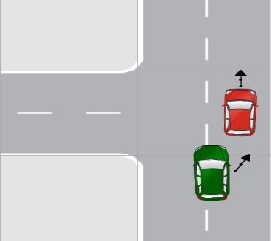
5 |  |  |  | Cut-in in front , cut-out in front, backing up into lane change, merging, changed lanes, turn from the curb lane,etc
6
7
8
9
10
11
12
13
14
15
16
17 | G3 | Following Lead Vehicle | This group includes the situations where the ego vehicle is driving behind another vehicle referred to as the "lead vehicle." In such scenarios, the risk of a rear-end collision exists, where the ego vehicle collides with the lead vehicle from behind. | ego vehicle following another vehicle, vehicle is driving in front of the ego vehicle
18
19
20
21
22
23
24
25 | G4 | Traffic Signal Scenarios | This group includes situations where either the ego vehicle or another vehicle approaches or violates the traffic light signal. | approaching a green light, approaching a red light, approaching amber light, running red traffic light
26
27
28
29
30 | G5 | Crossing Path | This group includes the situations where the paths of two or more vehicles intersect or cross each other at an intersection or junction. In this scenario, the ego vehicle must navigate the intersection while avoiding collisions with other vehicles. |  | 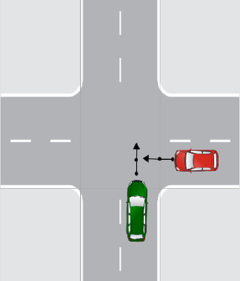
31
32 |  |  |  | another vehicle intends to turn right, trajectories of the other vehicle and the ego vehicle intersect,etc
33
34
35
36
37
38
39
40
41
42 | G6 | Animal Interaction | This group includes the situation where an ego vehicle encounters animals, such as stray animals, wildlife, or domestic pets, while driving on the road. | animal on the ego vehicle’s path,deer, cat etc crossing the road,etc
43 | G7 | Pedestrian Interaction | This group includes the situation where an ego vehicle encounters pedestrians while driving. | pedestrian is crossing the road, zebra crossing, pedestrian standing still, pedestrian is stationary, pedestrian is about to cross the road, pedestrian is running, pedestrian is walking on the left side, pedestrian might walk towards, pedestrian goes straight
44
45
46
47
48
49
50
51
52
53
54 | G8 | Cyclist Interaction | This group includes the situation where an ego vehicle encounters a cyclist or any other two-wheeler vehicle while driving. | cyclist is approaching, a cyclist is crossing, cyclist might ride straight, cyclist is passing the ego vehicle, cyclist is coming, cyclist turns right, cyclist turns left | 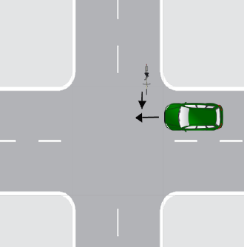
55
56
57
58
59
60
61
62
63
64
65
66 | G9 | Parking | This group includes the situation where the ego vehicle parked or maneuvered into a parking space. These scenarios include parallel, perpendicular, and other parking maneuvers. | ego vehicle is to park, ego vehicle is initially stationary, intending to leave,etc
67
68
69 | G10 | Reversing | This group includes the situation in which ego vehicle moving in reverse,such as backing out of a parking space or driveway. | backing out, backed vehicle backed up,reversing,etc
70
71
72 | G11 | Opposite Direction | This group includes the situation where an ego vehicle traveling in the opposite direction to other vehicles on the road | drives in the opposite direction, oncoming vehicle | 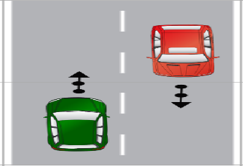
73
74 | G12 | Control Loss | This group includes the situation where the ego vehicle loses control due to slip- pery or poor road conditions or brake failure caused by infrastructure-related issues. | Brakes failed, lost control, slippery,etc | 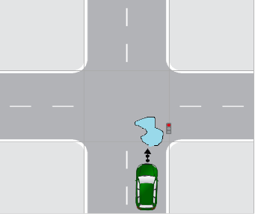
75
76
77
78
79
80
81 | G13 | Visibility | This group includes the situation where road visibility is unclear due to weather conditions, fog, obstructions, hurdles, or construction activities. | driver did not see. Etc | ___
82
83 | G14 | Human fault | This group includes the situation where unsafe conditions are caused primarily due to human errors, mistakes, or negligent behaviors. e.g., aggressive driving or distracted driving, etc. | inattentive driver, driving too fast ,etc | __
84
85
86
87
88 | G15 | Miscellaneous
89 |  |  | This group includes scenarios that do not belong to a specific predefined category or lack adequate information about the ego vehicle's or target object's critical actions.
90

